Camp_hepatoblaste
Extended data Figure 7 | PMID:28614297 | Multilineage communication regulates human liver bud development from pluripotency. Camp JG1, Sekine K2, Gerber T1, Loeffler-Wirth H3, Binder H3, Gac M1, Kanton S1, Kageyama J1, Damm G4,5, Seehofer D4,5, Belicova L6, Bickle M6, Barsacchi R6, Okuda R2, Yoshizawa E2, Kimura M2, Ayabe H2, Taniguchi H2, Takebe T2,7, Treutlein B1,6.
tSNE analysis_Expression of genes marking each cluster +DE genes
Hepatoblast ~stem cell | 709
 | S100A11
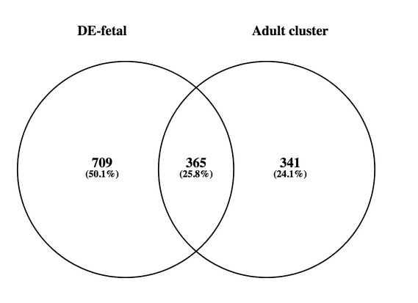
 | S100A10
 | ANXA2
 | RHOC
 | TMSB10
 | RPL18A
 | GPC3
 | KRT8
 | ANXA5
 | CYBA
 | RBP1
 | TAGLN2
 | MYL6
 | VIM
 | CD24
 | LAPTM4B
 | KRT18
 | TPM4
 | NINJ1
 | ORMDL2
 | PDLIM1
 | BOLA2
 | LUZP1
 | SNRPD1
 | TIMP1
 | TIMM13
 | GOLM1
 | RBX1
 | SRM
 | MPZL1
 | TGFBI
 | FABP5
 | APOE
 | EIF6
 | NME1
 | PHLDA2
 | POMP
 | TES
 | UFD1L
 | FTH1
 | SUB1
 | RPL8
 | RPS5
 | BOLA2B
 | MARCKS
 | PDCD5
 | SRPK1
 | GMFB
 | SNRPC
 | TXNDC9
 | SLC38A1
 | UCHL3
 | C20ORF24
 | NFU1
 | LSM7
 | S100A16
 | TXN
 | RPS14
 | CARHSP1
 | EEF1E1
 | EIF4A1
 | RPS3
 | ARPC1B
 | ARPC2
 | CD63
 | CENPV
 | EMC6
 | LSM4
 | STIP1
 | TMSB4X
 | COA4
 | MYL12B
 | SOD2
 | SQRDL
 | VAMP5
 | GTF2H2C
 | RPL18
 | GTF3C6
 | HIST1H2BK
 | TBCB
 | HIF1A
 | RPS23
 | FARSB
 | RAB11A
 | SRP14
 | CNIH4
 | EIF4E2
 | MARCKSL1
 | RPL35
 | BCAP31
 | PSMD14
 | RPS15
 | C19ORF33
 | GNAS
 | EDARADD
 | VAMP8
 | HM13
 | IFI6
 | APRT
 | CCT8
 | CIB1
 | CMTM3
 | RPL29
 | ZYX
 | SRSF5
 | YWHAB
 | DYNLL1
 | HN1
 | ALAS2
 | MRPL23
 | NPM1
 | DCTN2
 | NACA
 | RNF181
 | PHB
 | BUD31
 | RPL5
 | TCEB1
 | ACTN1
 | ATP6V0E1
 | BLOC1S2
 | CKLF
 | FAU
 | GTF3A
 | HNRNPC
 | KYNU
 | MSN
 | NOP56
 | TLN1
 | UBE2N
 | CD151
 | FXYD2
 | RPL22L1
 | ZNF207
 | DPH3
 | GTPBP4
 | SEC61G
 | ABCE1
 | BTF3
 | C14ORF166
 | CALM2
 | MX1
 | TRNP1
 | ALG3
 | AURKAIP1
 | M6PR
 | NIP7
 | SCAMP3
 | PSMB6
 | RPS10
 | RSL1D1
 | XRCC6
 | YTHDF2
 | CCT3
 | DHRS7
 | FLNB
 | PTRH2
 | TPI1
 | TRAPPC1
 | BTF3L4
 | C19ORF70
 | CCT4
 | CST3
 | GUK1
 | S100A13
 | MYL12A
 | RNF7
 | TIMM8B
 | ZMPSTE24
 | HNRNPA1L2
 | METTL5
 | NIFK
 | TMEM179B
 | VDAC2
 | DNTTIP2
 | GLRX2
 | IMP4
 | IP6K2
 | SDAD1
 | SPTAN1
 | TMEM147
 | TRIAP1
 | AMD1
 | ACTB
 | BCCIP
 | MRPS34
 | SERINC2
 | ARHGAP29
 | CAP1
 | DYNLRB1
 | LDHA
 | MRPL52
 | MRPS18A
 | PSMA7
 | CAMTA1
 | ITGAV
 | MYH9
 | NAE1
 | PFDN2
 | POLR2E
 | RP11-500M8.7
 | VCL
 | G3BP2
 | PRDX1
 | PSMG1
 | RBM8A
 | RHOA
 | SPATS2L
 | SUGT1
 | BRK1
 | H2BFS
 | NDUFB10
 | PHAX
 | RPL35A
 | STUB1
 | CCT2
 | IKBIP
 | LIMA1
 | RAB31
 | PLOD2
 | PSMD6
 | UBE2A
 | IGF2
 | MRPS23
 | CHCHD2
 | DNPH1
 | MAP4
 | MT1A
 | NOTCH2
 | MT1M
 | PSENEN
 | DHX9
 | SSB
 | TCEB3
 | DCTPP1
 | UTP11L
 | YIF1A
 | MT1H
 | MT2A
 | PSMD12
 | CHCHD7
 | HNRNPR
 | NDUFAF4
 | SERPINE1
 | SSR2
 | TXNL1
 | CALU
 | FKBP4
 | FTL
 | FUCA2
 | PPIB
 | ANO6
 | CYB5R3
 | ATP6V0C
 | GHITM
 | BRIX1
 | DDOST
 | GPX1
 | RAB32
 | CLEC2D
 | MAGOH
 | SDF2
 | SNAPIN
 | GPATCH4
 | STEAP1
 | BCAS4
 | DSTN
 | RTFDC1
 | PSMB7
 | SSR3
 | LEO1
 | NAPA
 | RAB34
 | UBA1
 | UPP1
 | ACLY
 | FAM60A
 | GLA
 | LYRM4
 | NDUFAF2
 | UBE2D1
 | MAT2A
 | UXT
 | WDR77
 | MT1HL1
 | RAB27A
 | CAPG
 | RHEB
 | C12ORF75
 | PSMD10
 | ZNF593
 | C5ORF15
 | CTD-2192J16.22
 | SLC25A39
 | TUBA4A
 | ZRANB2
 | FILIP1L
 | MLLT4
 | BAG1
 | FNTA
 | GOSR1
 | MRPL57
 | P2RY6
 | PA2G4
 | ASAP1
 | PKM
 | SRP19
 | PGLS
 | CPSF6
 | SERPINB8
 | DPAGT1
 | HIST1H1C
 | CKS1B
 | COA6
 | COPB1
 | CTSA
 | DNAJC7
 | AKR1C1
 | C1ORF122
 | OPN3
 | RCHY1
 | TMOD3
 | PPIE
 | PTPMT1
 | MRPL30
 | TRIO
 | ACTG1
 | IL32
 | LYPLA2
 | PTK2
 | MAP4K4
 | RHOD
 | HBB
 | ITGA5
 | DAB2
 | EIF2B3
 | MITD1
 | PNO1
 | ANXA3
 | ZNF644
 | ALG2
 | PGAM4
 | STEAP1B
 | C9ORF3
 | DTNA
 | KLHL5
 | MTG1
 | PLEKHA1
 | TP53I3
 | GALNT2
 | LRRFIP1
 | PIEZO1
 | PPIL1
 | C15ORF40
 | HSBP1L1
 | LRRC59
 | ITGA6
 | RAE1
 | ANKRD11
 | DNAJC1
 | FSTL3
 | MPHOSPH6
 | PELO
 | LSM10
 | MT1G
 | C19ORF48
 | CREB3
 | FAM204A
 | SERINC1
 | UBE2L6
 | FAT1
 | MNAT1
 | FASTKD2
 | IFNAR2
 | VPS26A
 | BAMBI
 | C7ORF50
 | S100P
 | AHSP
 | S100A3
 | WDR43
 | SIGMAR1
 | TSFM
 | CYB5B
 | FIBP
 | OGFOD1
 | SMG1
 | TAGLN
 | ALG14
 | C1GALT1C1
 | IKBKAP
 | OLFML3
 | TACC1
 | CUL2
 | DNLZ
 | CFL2
 | SNX7
 | BAIAP2L1
 | C14ORF105
 | TATDN1
 | TMEM170A
 | RAI14
 | AASDHPPT
 | KHDRBS3
 | MPV17
 | NOL10
 | RP11-449H3.3
 | CASP7
 | DSCR3
 | IP6K3
 | RBM4B
 | SLC16A7
 | TNFAIP8
 | DMKN
 | FUBP1
 | PDXK
 | TMEM138
 | EIF4G3
 | LPP
 | WBP4
 | FADS3
 | MMD
 | NUDT21
 | SOX4
 | ACOT9
 | AGPAT2
 | C16ORF91
 | FKBP1B
 | PVR
 | SERPINA3
 | CPPED1
 | EZR
 | GPX7
 | IFI30
 | POP4
 | SNX5
 | TM2D3
 | CIDEC
 | PIGU
 | RAB3B
 | SCO2
 | OSTF1
 | IGFBP2
 | PSEN1
 | PCOLCE2
 | PGM3
 | ROBO1
 | TRMT6
 | FAM206A
 | FYTTD1
 | DYNC1LI1
 | MED15
 | PALLD
 | PPAT
 | RNASEH1
 | LOXL4
 | NRP2
 | SLC7A6
 | ELOF1
 | GRIA3
 | NSMCE4A
 | PABPN1
 | RHBDD2
 | UBA2
 | XPNPEP1
 | AJUBA
 | ARFIP1
 | ARMC10
 | FAIM
 | NEK6
 | SVIL
 | USB1
 | AKR1C2
 | GNAI1
 | MAGED2
 | RIF1
 | RPAP3
 | DDX50
 | BCL7C
 | FAM195B
 | IGF2BP1
 | LCOR
 | RNMT
 | STK38L
 | MAPK8
 | MAPKAP1
 | SMTN
 | TBRG4
 | CPD
 | EFTUD2
 | SYNGR2
 | TRMT11
 | BOD1
 | C8ORF33
 | CUL5
 | GINM1
 | PHTF1
 | RNF216
 | ASNSD1
 | COX19
 | HMGB2
 | SKIV2L2
 | UBE2E2
 | HRAS
 | PARVA
 | SFN
 | CHKA
 | CSTF3
 | METAP1
 | CBX1
 | IGF2BP3
 | LBP
 | GSS
 | PACSIN2
 | PLEKHA5
 | SPATS2
 | ANAPC4
 | RBFA
 | SLC4A2
 | TAF12
 | CXADR
 | CYR61
 | KLF7
 | NELFCD
 | SLC9B2
 | YRDC
 | GNG10
 | HPCAL1
 | MED19
 | ELP3
 | PDPK1
 | PEG3
 | C9ORF16
 | CCDC93
 | ECE2
 | VIL1
 | CDC42EP1
 | OXT
 | TIPARP
 | TWISTNB
 | ABCC6
 | BAG5
 | BICC1
 | HSPB8
 | METTL3
 | OSMR
 | UBA3
 | GDF15
 | PDCD11
 | RRAS
 | TOMM34
 | MBIP
 | RNFT1
 | RRP12
 | TP53RK
 | KANSL3
 | OAS1
 | PPARG
 | SBNO1
 | MRRF
 | PLEK2
 | TMEM141
 | AIFM2
 | AP3M1
 | EHD1
 | GLIPR1
 | ZDHHC12
 | DLG1
 | MFN1
 | TMED1
 | ANAPC10
 | EHMT1
 | SURF2
 | TAF1B
 | C5ORF51
 | COBL
 | PSMG4
 | PTPLA
 | SLC4A7
 | TSR1
 | DHX8
 | PEG10
 | RP11-544M22.13
 | SRCAP
 | TTC9C
 | ZNF480
 | ADD3
 | C12ORF10
 | F3
 | HMGCR
 | ME1
 | QPCT
 | RRAD
 | COQ10B
 | NOB1
 | SFT2D2
 | TRIM13
 | ARID3A
 | SDF4
 | ZNF195
 | HSD3B7
 | PRH1
 | CSF3R
 | FHL3
 | ITGA2
 | KRT19
 | PNMA1
 | MAD2L2
 | MAEA
 | MARCH5
 | RBM33
 | DHRS7B
 | ACOT7
 | FTSJ3
 | HEATR1
 | PDLIM4
 | SFXN4
 | VASP
 | C7ORF49
 | MSL3
 | PLD3
 | SERPINE2
 | SUCLA2
 | ACTN4
 | ANXA8
 | ASNS
 | HBM
 | THOC6
 | CDK10
 | DYRK4
 | FNDC4
 | TMCO3
 | CHD7
 | DESI2
 | FASTKD5
 | IL1R2
 | IRAK1
 | KCTD9
 | GRAMD1A
 | MDP1
 | SDF2L1
 | SESTD1
 | ABHD3
 | AP1M1
 | HGS
 | SCAMP1
 | SMAD7
 | CCDC107
 | MAK16
 | ABI2
 | IFI35
 | PPP1R8
 | ZMAT5
 | NCSTN
 | PARP12
 | TNFRSF1A
 | WDR33
 | DDA1
 | DNAAF1
 | MYL9
 | NDN
 | LTN1
 | PRMT5
 | RASA2
 | VTI1A
 | ATP6V1G2-DDX39B
 | CFAP36
 | COL5A2
 | ERC1
 | SEC16A
 | TNFAIP3
 | ZNF326
 | LAD1
 | LRRC61
 | PIGL
 | DDX49
 | DENND5A
 | ELAC2
 | FXYD1
 | STXBP4
 | DSC2
 | MEF2A
 | QTRTD1
 | TUSC3
 | ATG4A
 | BEX1
 | IFI27L2
 | PINX1
 | CASK
 | HIST1H4J
 | MED21
 | EPCAM
 | GIPC1
 | LRPAP1
 | YAE1D1
 | ARFIP2
 | PLBD2
 | GPATCH8
 | KLC1
 | PCGF5
 | SYNJ2
 | ZNF91
 | FAM127C
 | RAB3GAP2
 | TEFM
 | CSF1
 | GTF2IRD2B
 | LAMC1
 | XPO5

Camp_Mesenchymal
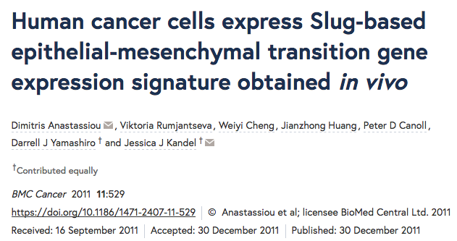
Extended data Figure 7 d and f |  | PMID:28614297 | Multilineage communication regulates human liver bud development from pluripotency. Camp JG1, Sekine K2, Gerber T1, Loeffler-Wirth H3, Binder H3, Gac M1, Kanton S1, Kageyama J1, Damm G4,5, Seehofer D4,5, Belicova L6, Bickle M6, Barsacchi R6, Okuda R2, Yoshizawa E2, Kimura M2, Ayabe H2, Taniguchi H2, Takebe T2,7, Treutlein B1,6.
tSNE analysis_Expression of genes marking each cluster
 |  |  |  |  |  |  | Used by Tallulah so far
Mesenchymal cells-Liver
gene_id | myAUC | avg_diff | power | cluster | Rank | Gene
SPARC | 0.991 | 5.0233970654 | 0.982 | 4 | 1 | COL11A1
TPM1 | 0.973 | 3.6336153377 | 0.946 | 4 | 2 | THBS2
CALU | 0.971 | 3.0355284651 | 0.942 | 4 | 3 | COL10A1
FSTL1 | 0.964 | 5.2706438888 | 0.928 | 4 | 4 | COL5A2 | 22 common elements in "Mesenchymal NEW" and "Mesenchymal Tall":
CTSC1 | 0.961 | 3.5382152544 | 0.922 | 4 | 5 | INHBA | SPARC
CALD11 | 0.941 | 3.2659298748 | 0.882 | 4 | 6 | LRRC15 | COL1A2
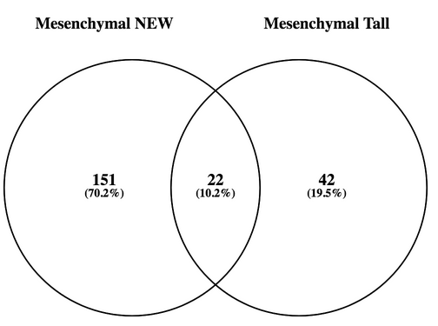
PLAUR | 0.934 | 3.0321566316 | 0.868 | 4 | 7 | COL5A1 | COL1A1
COL1A2 | 0.927 | 5.3112406549 | 0.854 | 4 | 8 | VCAN | CRISPLD2
ID3 | 0.927 | 3.3798091002 | 0.854 | 4 | 9 | FAP | COL6A2
PDLIM4 | 0.926 | 3.2482843325 | 0.852 | 4 | 10 | COL1A1 | LOXL2
PKM2 | 0.926 | 3.461935546 | 0.852 | 4 | 11 | MMP11 | COL6A3
COL1A1 | 0.924 | 4.9159999362 | 0.848 | 4 | 12 | POSTN | COL3A1
COL6A1 | 0.919 | 4.8485105521 | 0.838 | 4 | 13 | COL1A2 | SNAI2
HES4 | 0.913 | 3.8438771185 | 0.826 | 4 | 14 | ADAM12 | FBN1
COL4A2 | 0.911 | 4.021339183 | 0.822 | 4 | 15 | COL3A1 | CDH11
SVIL | 0.907 | 3.7013395752 | 0.814 | 4 | 16 | LOX | VCAN
SORBS3 | 0.898 | 3.1330750251 | 0.796 | 4 | 17 | FN1 | LOX
CRISPLD2 | 0.897 | 4.1198873545 | 0.794 | 4 | 18 | AEBP1 | BGN
COL6A2 | 0.894 | 5.1846710126 | 0.788 | 4 | 19 | SULF1 | ACTA2
MYL9 | 0.894 | 3.8576133761 | 0.788 | 4 | 20 | FBN1 | PRRX1
NCS1 | 0.891 | 3.3183023192 | 0.782 | 4 | 21 | ASPN | EDNRA
EFEMP2 | 0.89 | 3.9712030412 | 0.78 | 4 | 22 | SPARC | PDGFRB
MXRA7 | 0.89 | 4.7025050795 | 0.78 | 4 | 23 | CTSK | DCN
EHD2 | 0.889 | 3.9665948406 | 0.778 | 4 | 24 | TNFAIP6 | PCOLCE
NDN | 0.889 | 3.2558945236 | 0.778 | 4 | 25 | HNT | THY1
TGFB1I1 | 0.888 | 4.219890883 | 0.776 | 4 | 26 | EPYC | MMP2
COL4A1 | 0.883 | 3.7300326024 | 0.766 | 4 | 27 | MMP2
DKK3 | 0.88 | 3.8753294685 | 0.76 | 4 | 28 | PLAU
LHFP | 0.879 | 3.05121006 | 0.758 | 4 | 29 | GREM1
LOXL2 | 0.877 | 3.8681752249 | 0.754 | 4 | 30 | BGN
TPM2 | 0.872 | 5.1051361623 | 0.744 | 4 | 31 | OLFML2B
CCL2 | 0.869 | 3.7509716828 | 0.738 | 4 | 32 | LUM
IGFBP7 | 0.863 | 3.8821526108 | 0.726 | 4 | 33 | LOXL2
COL6A3 | 0.862 | 5.6513831421 | 0.724 | 4 | 34 | COL6A3
FKBP14 | 0.86 | 3.3888608821 | 0.72 | 4 | 35 | MXRA5
COL3A1 | 0.859 | 5.6237550264 | 0.718 | 4 | 36 | MFAP5
FKBP7 | 0.858 | 3.0292832903 | 0.716 | 4 | 37 | NUAK1
CAV1 | 0.857 | 3.6297752327 | 0.714 | 4 | 38 | RAB31
LGALS11 | 0.856 | 3.8498078339 | 0.712 | 4 | 39 | TIMP3
DDR2 | 0.851 | 3.9530692949 | 0.702 | 4 | 40 | CRISPLD2
PRKCDBP | 0.851 | 3.9295380356 | 0.702 | 4 | 41 | ITGBL1
IGFBP3 | 0.847 | 6.5091809238 | 0.694 | 4 | 42 | CDH11
PFKP | 0.847 | 3.3036923602 | 0.694 | 4 | 43 | TMEM158
SNAI2 | 0.847 | 4.333146857 | 0.694 | 4 | 44 | SPOCK1
IGFBP6 | 0.844 | 5.9504996649 | 0.688 | 4 | 45 | SFRP4
TMEM98 | 0.844 | 3.5010478569 | 0.688 | 4 | 46 | SERPINF1
FBN1 | 0.84 | 3.1655490025 | 0.68 | 4 | 47 | DCN
CDH11 | 0.83 | 5.6682272108 | 0.66 | 4 | 48 | C7orf10
GLI3 | 0.829 | 5.791385936 | 0.658 | 4 | 49 | COPZ2
FRMD6 | 0.828 | 3.1481848581 | 0.656 | 4 | 50 | NOX4
CCDC86 | 0.825 | 3.1175616879 | 0.65 | 4 | 51 | EDNRA
F3 | 0.824 | 4.4192546765 | 0.648 | 4 | 52 | ACTA2
FOSL1 | 0.824 | 3.3696898657 | 0.648 | 4 | 53 | PDGFRB
GFPT2 | 0.824 | 4.6728709137 | 0.648 | 4 | 54 | RCN3
VCAN | 0.822 | 5.571361314 | 0.644 | 4 | 55 | SNAI2
AFAP1 | 0.821 | 3.6053080738 | 0.642 | 4 | 56 | C1QTNF3
LOX | 0.821 | 4.4628657705 | 0.642 | 4 | 57 | COMP
SERPINE11 | 0.821 | 4.1503784201 | 0.642 | 4 | 58 | LGALS1
IQGAP2 | 0.18 | -4.0991163717 | 0.64 | 4 | 59 | THY1
ROR1 | 0.82 | 3.8982087822 | 0.64 | 4 | 60 | PCOLCE
SEMA3C | 0.82 | 3.3698293758 | 0.64 | 4 | 61 | COL6A2
ARHGAP24 | 0.819 | 5.3697946234 | 0.638 | 4 | 62 | GLT8D2
BGN | 0.816 | 3.9081292296 | 0.632 | 4 | 63 | NID2
CCDC80 | 0.816 | 4.3810315898 | 0.632 | 4 | 64 | PRRX1
TAGLN | 0.812 | 3.6972497743 | 0.624 | 4
ACTA2 | 0.811 | 8.9224791991 | 0.622 | 4
FHL2 | 0.807 | 3.1986373757 | 0.614 | 4
CTGF | 0.8 | 3.8335306511 | 0.6 | 4
PLG3 | 0.2 | -9.2576517001 | 0.6 | 4
CD248 | 0.799 | 4.9733449198 | 0.598 | 4
GATM3 | 0.201 | -7.7212732982 | 0.598 | 4
DKK1 | 0.798 | 7.8647100669 | 0.596 | 4
PDPN | 0.798 | 6.5264642315 | 0.596 | 4
EFEMP1 | 0.797 | 6.329788865 | 0.594 | 4
GPR176 | 0.797 | 5.2905832241 | 0.594 | 4
S1PR3 | 0.792 | 3.4609613453 | 0.584 | 4
SEMA5A | 0.792 | 5.111599953 | 0.584 | 4
F21 | 0.211 | -6.3802180292 | 0.578 | 4
KNG13 | 0.213 | -10.413418856 | 0.574 | 4
FJX1 | 0.785 | 3.3228698015 | 0.57 | 4
AHNAK | 0.782 | 3.3626567369 | 0.564 | 4
MFAP2 | 0.781 | 4.7598378505 | 0.562 | 4
VTN1 | 0.224 | -7.6467448303 | 0.552 | 4
CRIP2 | 0.767 | 3.6564432832 | 0.534 | 4
CAT | 0.235 | -3.3532753714 | 0.53 | 4
ARSJ | 0.765 | 5.7424586267 | 0.53 | 4
PRRX1 | 0.765 | 6.149117205 | 0.53 | 4
ITIH12 | 0.236 | -7.3358189849 | 0.528 | 4
ANTXR1 | 0.764 | 5.276220175 | 0.528 | 4
CXCL8 | 0.763 | 4.4649967684 | 0.526 | 4
EDNRA | 0.763 | 5.894647495 | 0.526 | 4
TF3 | 0.238 | -6.6813187545 | 0.524 | 4
DACT1 | 0.762 | 3.5417256661 | 0.524 | 4
PDGFRB | 0.762 | 4.6973503615 | 0.524 | 4
APOB2 | 0.239 | -3.4143760896 | 0.522 | 4
SLC37A3 | 0.761 | 3.0609351269 | 0.522 | 4
ANGPTL33 | 0.242 | -8.033673991 | 0.516 | 4
HSPB6 | 0.755 | 5.7006062328 | 0.51 | 4
PLAT | 0.755 | 3.6451827298 | 0.51 | 4
PLAC9 | 0.754 | 5.0526980823 | 0.508 | 4
CFHR12 | 0.248 | -6.5192987454 | 0.504 | 4
DHRS3 | 0.249 | -4.7427652167 | 0.502 | 4
UGT2B73 | 0.25 | -5.3945394042 | 0.5 | 4
DCN | 0.75 | 6.4148355852 | 0.5 | 4
PTN | 0.75 | 5.9429148603 | 0.5 | 4
AZGP13 | 0.251 | -7.8955563507 | 0.498 | 4
SERPINC12 | 0.253 | -6.5565854627 | 0.494 | 4
PON32 | 0.256 | -8.0598793396 | 0.488 | 4
CPB23 | 0.257 | -7.7918943722 | 0.486 | 4
APOC4-APOC22 | 0.258 | -4.679535128 | 0.484 | 4
PCOLCE | 0.74 | 5.9757676584 | 0.48 | 4
CYP3A53 | 0.262 | -7.5586577958 | 0.476 | 4
HMGN5 | 0.262 | -3.7775945791 | 0.476 | 4
APOA22 | 0.263 | -4.1108789543 | 0.474 | 4
C12orf751 | 0.735 | 3.1778229055 | 0.47 | 4
PHYH1 | 0.267 | -4.2434186072 | 0.466 | 4
SPON2 | 0.732 | 4.3958269908 | 0.464 | 4
ELMO2 | 0.731 | 3.002017022 | 0.462 | 4
ALB2 | 0.27 | -7.4409966394 | 0.46 | 4
CXCL6 | 0.73 | 7.2700632142 | 0.46 | 4
ALDH22 | 0.271 | -3.9610513798 | 0.458 | 4
APOC12 | 0.271 | -6.7285307787 | 0.458 | 4
GC3 | 0.272 | -7.5986225807 | 0.456 | 4
THY1 | 0.728 | 7.4178212216 | 0.456 | 4
A1CF2 | 0.273 | -5.3111974985 | 0.454 | 4
COL12A1 | 0.727 | 3.2374489085 | 0.454 | 4
CD741 | 0.274 | -7.3080726302 | 0.452 | 4
FGL12 | 0.274 | -7.6717418151 | 0.452 | 4
PCK2 | 0.274 | -3.4704802185 | 0.452 | 4
SAA22 | 0.276 | -8.5362490155 | 0.448 | 4
AHSG1 | 0.277 | -7.9255789058 | 0.446 | 4
SMIM3 | 0.723 | 3.7213848632 | 0.446 | 4
CFH1 | 0.278 | -5.578109746 | 0.444 | 4
MTTP2 | 0.278 | -5.0712504155 | 0.444 | 4
SAA13 | 0.278 | -7.7393477288 | 0.444 | 4
MMP2 | 0.722 | 4.0530309998 | 0.444 | 4
F52 | 0.279 | -7.6442999281 | 0.442 | 4
ASGR22 | 0.28 | -4.4070885426 | 0.44 | 4
SERPINA111 | 0.28 | -6.3209913215 | 0.44 | 4
LRG12 | 0.281 | -4.9638521135 | 0.438 | 4
PDGFRA | 0.719 | 3.6662654225 | 0.438 | 4
ALDOB3 | 0.283 | -7.0972071814 | 0.434 | 4
MST11 | 0.283 | -6.071155392 | 0.434 | 4
MSRB3 | 0.717 | 3.2582358148 | 0.434 | 4
SLC2A23 | 0.284 | -4.9956493357 | 0.432 | 4
APOA12 | 0.285 | -5.63624626 | 0.43 | 4
APOC32 | 0.286 | -4.7250346634 | 0.428 | 4
CFHR23 | 0.286 | -7.2076336719 | 0.428 | 4
TTR2 | 0.286 | -5.6576309548 | 0.428 | 4
APOC22 | 0.287 | -5.8854939276 | 0.426 | 4
HPD2 | 0.287 | -6.4842164216 | 0.426 | 4
FGA3 | 0.288 | -4.2641573546 | 0.424 | 4
UGT2B41 | 0.288 | -3.0309626929 | 0.424 | 4
TNFSF101 | 0.289 | -6.7916034595 | 0.422 | 4
HPX2 | 0.29 | -5.4216574771 | 0.42 | 4
MASP21 | 0.291 | -6.3392183952 | 0.418 | 4
CNOT22 | 0.709 | -3.2871504766 | 0.418 | 4
GSTA13 | 0.292 | -3.63460372 | 0.416 | 4
AMBP2 | 0.293 | -6.1041427603 | 0.414 | 4
FABP12 | 0.293 | -3.8216880272 | 0.414 | 4
HPN1 | 0.293 | -5.0118875354 | 0.414 | 4
PDK2 | 0.707 | 3.114592324 | 0.414 | 4
ANG3 | 0.294 | -5.1606069329 | 0.412 | 4
BHMT22 | 0.294 | -5.5293556901 | 0.412 | 4
EPB41 | 0.295 | -6.0643262557 | 0.41 | 4
PON12 | 0.295 | -8.5962179392 | 0.41 | 4
CP3 | 0.297 | -8.1073785316 | 0.406 | 4
HPR2 | 0.297 | -8.1108740091 | 0.406 | 4
SLC27A21 | 0.297 | -5.9115455572 | 0.406 | 4
EHHADH2 | 0.299 | -5.9980603917 | 0.402 | 4
SPP22 | 0.299 | -7.7478209467 | 0.402 | 4
A2M3 | 0.3 | -5.1015759547 | 0.4 | 4
ST6GAL11 | 0.3 | -5.3932325821 | 0.4 | 4

Camp_Hypoxia
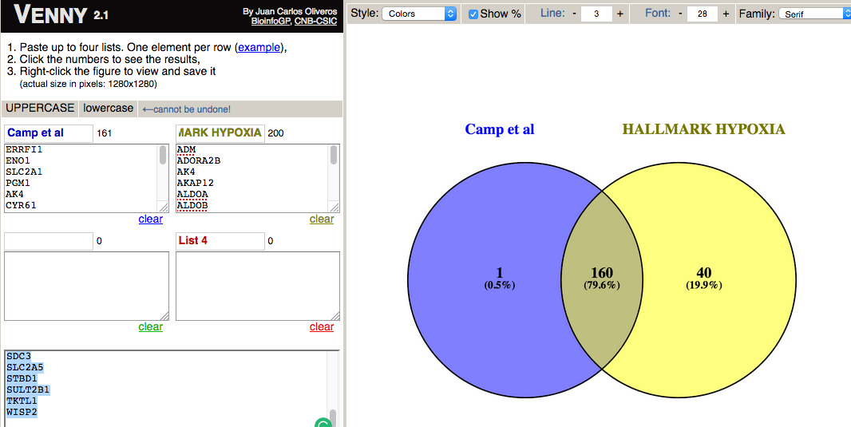
MsigDB gene-set ‘HALLMARK_HYPOXIA’ |  |  |  | Hypoxia signature genes | Final list used in Camp et al. scRNA Liver bud paper | 1 element included exclusively in "Camp et al":
Member | Gene Id | Symbol | Description | ERRFI1 |  | ACKR3
ADM | 133 | ADM | adrenomedullin | ENO1 |  | 40 elements included exclusively in "HALLMARK HYPOXIA":
ADORA2B | 136 | ADORA2B | adenosine A2b receptor | SLC2A1 |  | ALDOB
AK4 | 205 | AK4 | adenylate kinase 4 | PGM1 |  | B3GALT6
AKAP12 | 9590 | AKAP12 | A kinase (PRKA) anchor protein 12 | AK4 |  | B4GALNT2
ALDOA | 226 | ALDOA | aldolase A, fructose-bisphosphate | CYR61 |  | BCAN
ALDOB |  | ALDOB | aldolase B, fructose-bisphosphate | F3 |  | BCL2
ALDOC | 230 | ALDOC | aldolase C, fructose-bisphosphate | SELENBP1 |  | BRS3
AMPD3 | 272 | AMPD3 | adenosine monophosphate deaminase 3 | S100A4 |  | CCRN4L
ANGPTL4 | 51129 | ANGPTL4 | angiopoietin-like 4 | EFNA1 |  | CHST2
ANKZF1 | 55139 | ANKZF1 | ankyrin repeat and zinc finger domain co... | ATF3 |  | CXCR7
ANXA2 | 302 | ANXA2 | annexin A2 | FOSL2 |  | DPYSL4
ATF3 | 467 | ATF3 | activating transcription factor 3 | UGP2 |  | EDN2
ATP7A | 538 | ATP7A | ATPase, Cu++ transporting, alpha polypep... | NAGK |  | EFNA3
B3GALT6 | 126792 | B3GALT6 | UDP-Gal:betaGal beta 1,3-galactosyltrans... | HK2 |  | ERO1L
B4GALNT2 | 124872 | B4GALNT2 | beta-1,4-N-acetyl-galactosaminyl transfe... | KDM3A |  | FBP1
BCAN | 63827 | BCAN | brevican | CXCR4 |  | GAPDH
BCL2 | 596 | BCL2 | B-cell CLL/lymphoma 2 | PDK1 |  | GAPDHS
BGN | 633 | BGN | biglycan | KLF7 |  | GCK
BHLHE40 | 8553 | BHLHE40 | basic helix-loop-helix family, member e40 | ANKZF1 |  | HAS1
BNIP3L | 665 | BNIP3L | BCL2/adenovirus E1B 19kDa interacting pr... | INHA | This dicrepancy is not described in the paper | HOXB9
BRS3 | 680 | BRS3 | bombesin-like receptor 3 | ACKR3 | why did they took only 160/200? | HS3ST1
BTG1 | 694 | BTG1 | B-cell translocation gene 1, anti-prolif... | GPC1 | Why did they add 1 gene? | IER3
CA12 | 771 | CA12 | carbonic anhydrase XII | HDLBP | COULD BE 'HALLMARK HYPOXIA' HAD BEEN UPDATEDSINCE THEY USE IT? | JUN
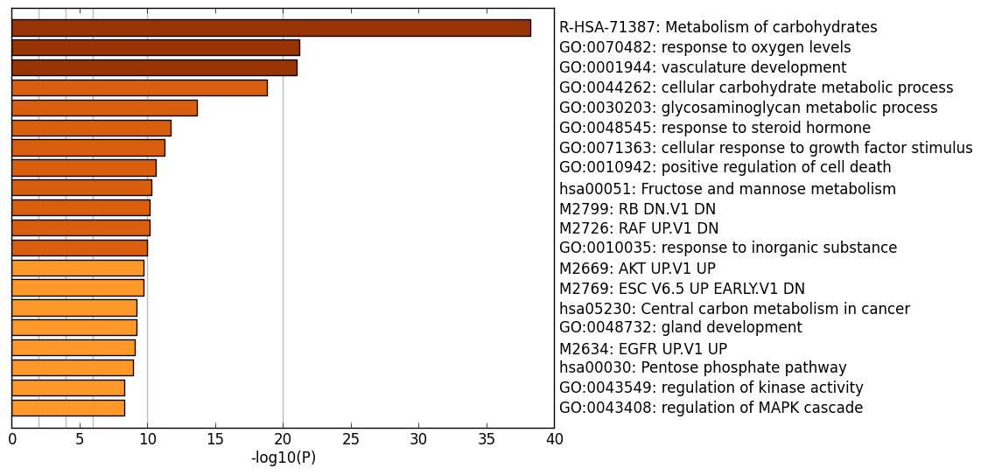
CASP6 | 839 | CASP6 | caspase 6, apoptosis-related cysteine pe... | BHLHE40 |  | KIF5A
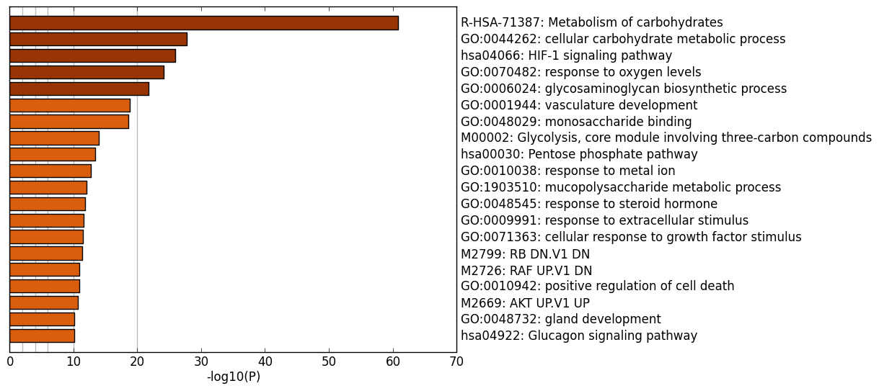
CAV1 | 857 | CAV1 | caveolin 1, caveolae protein, 22kDa | VHL |  | LALBA
CCNG2 | 901 | CCNG2 | cyclin G2 | SLC6A6 |  | LARGE
CCRN4L | 25819 | CCRN4L | CCR4 carbon catabolite repression 4-like... | GBE1 |  | MIF
CDKN1A | 1026 | CDKN1A | cyclin-dependent kinase inhibitor 1A (p2... | TMEM45A |  | NCAN
CDKN1B | 1027 | CDKN1B | cyclin-dependent kinase inhibitor 1B (p2... | FAM162A |  | PCK1
CDKN1C | 1028 | CDKN1C | cyclin-dependent kinase inhibitor 1C (p5... | CP |  | PHKG1
CHST2 | 9435 | CHST2 | carbohydrate (N-acetylglucosamine-6-O) s... | SIAH2 |  | PKLR
CHST3 | 9469 | CHST3 | carbohydrate (chondroitin 6) sulfotransf... | TIPARP |  | PKP1
CITED2 | 10370 | CITED2 | Cbp/p300-interacting transactivator, wit... | LXN |  | PPARGC1A
COL5A1 | 1289 | COL5A1 | collagen, type V, alpha 1 | KLHL24 |  | PPFIA4
CP | 1356 | CP | ceruloplasmin (ferroxidase) | RBPJ |  | PYGM
CSRP2 | 1466 | CSRP2 | cysteine and glycine-rich protein 2 | PGM2 |  | SDC3
CTGF | 1490 | CTGF | connective tissue growth factor | CCNG2 |  | SLC2A5
CXCR4 | 7852 | CXCR4 | chemokine (C-X-C motif) receptor 4 | PLAC8 | ENRICHMENT ANALYSIS: They lost HIF-1 signalling pathway? | STBD1
CXCR7 | 57007 | CXCR7 | chemokine (C-X-C motif) receptor 7 | CASP6 | Should we refine this list? | SULT2B1
CYR61 | 3491 | CYR61 | cysteine-rich, angiogenic inducer, 61 | SAP30 |  | TKTL1
DCN | 1634 | DCN | decorin | MAP3K1 |  | WISP2
DDIT3 | 1649 | DDIT3 | DNA-damage-inducible transcript 3 | GLRX
DDIT4 | 54541 | DDIT4 | DNA-damage-inducible transcript 4 | PAM
DPYSL4 | 10570 | DPYSL4 | dihydropyrimidinase-like 4 | LOX
DTNA | 1837 | DTNA | dystrobrevin, alpha | P4HA2
DUSP1 | 1843 | DUSP1 | dual specificity phosphatase 1 | TGFBI
EDN2 | 1907 | EDN2 | endothelin 2 | NR3C1
EFNA1 | 1942 | EFNA1 | ephrin-A1 | NDST1
EFNA3 | 1944 | EFNA3 | ephrin-A3 | DUSP1
EGFR | 1956 | EGFR | epidermal growth factor receptor | STC2
ENO1 | 2023 | ENO1 | enolase 1, (alpha) | GCNT2
ENO2 | 2026 | ENO2 | enolase 2 (gamma, neuronal) | CDKN1A
ENO3 | 2027 | ENO3 | enolase 3 (beta, muscle) | PIM1
ERO1L | 30001 | ERO1L | ERO1-like (S. cerevisiae) | VEGFA
ERRFI1 | 54206 | ERRFI1 | ERBB receptor feedback inhibitor 1 | TPBG
ETS1 | 2113 | ETS1 | v-ets erythroblastosis virus E26 oncogen... | ZNF292
EXT1 | 2131 | EXT1 | exostosin 1 | PNRC1
F3 | 2152 | F3 | coagulation factor III (thromboplastin, ... | RRAGD
FAM162A | 26355 | FAM162A | family with sequence similarity 162, mem... | FOXO3
FBP1 | 2203 | FBP1 | fructose-1,6-bisphosphatase 1 | CTGF
FOS | 2353 | FOS | FBJ murine osteosarcoma viral oncogene h... | TNFAIP3
FOSL2 | 2355 | FOSL2 | FOS-like antigen 2 | CITED2
FOXO3 | 2309 | FOXO3 | forkhead box O3 | AKAP12
GAA | 2548 | GAA | glucosidase, alpha; acid | IL6
GALK1 | 2584 | GALK1 | galactokinase 1 | PGAM2
GAPDH | 2597 | GAPDH | glyceraldehyde-3-phosphate dehydrogenase | IGFBP1
GAPDHS | 26330 | GAPDHS | glyceraldehyde-3-phosphate dehydrogenase... | IGFBP3
GBE1 | 2632 | GBE1 | glucan (1,4-alpha-), branching enzyme 1 | EGFR
GCK | 2645 | GCK | glucokinase (hexokinase 4) | SERPINE1
GCNT2 | 2651 | GCNT2 | glucosaminyl (N-acetyl) transferase 2, I... | TES
GLRX | 2745 | GLRX | glutaredoxin (thioltransferase) | CAV1
GPC1 | 2817 | GPC1 | glypican 1 | STC1
GPC3 | 2719 | GPC3 | glypican 3 | BNIP3L
GPC4 | 2239 | GPC4 | glypican 4 | TPD52
GPI | 2821 | GPI | glucose-6-phosphate isomerase | SDC2
GRHPR | 9380 | GRHPR | glyoxylate reductase/hydroxypyruvate red... | EXT1
GYS1 | 2997 | GYS1 | glycogen synthase 1 (muscle) | NDRG1
HAS1 | 3036 | HAS1 | hyaluronan synthase 1 | VLDLR
HDLBP | 3069 | HDLBP | high density lipoprotein binding protein | PLIN2
HEXA | 3073 | HEXA | hexosaminidase A (alpha polypeptide) | GRHPR
HK1 | 3098 | HK1 | hexokinase 1 | NFIL3
HK2 | 3099 | HK2 | hexokinase 2 | HSPA5
HMOX1 | 3162 | HMOX1 | heme oxygenase (decycling) 1 | COL5A1
HOXB9 | 3219 | HOXB9 | homeobox B9 | PFKP
HS3ST1 | 9957 | HS3ST1 | heparan sulfate (glucosamine) 3-O-sulfot... | KLF6
HSPA5 | 3309 | HSPA5 | heat shock 70kDa protein 5 (glucose-regu... | PFKFB3
IDS | 3423 | IDS | iduronate 2-sulfatase | HK1
IER3 | 8870 | IER3 | immediate early response 3 | CHST3
IGFBP1 | 3484 | IGFBP1 | insulin-like growth factor binding prote... | DDIT4
IGFBP3 | 3486 | IGFBP3 | insulin-like growth factor binding prote... | P4HA1
IL6 | 3569 | IL6 | interleukin 6 (interferon, beta 2) | NDST2
ILVBL | 10994 | ILVBL | ilvB (bacterial acetolactate synthase)-like | PPP1R3C
INHA | 3623 | INHA | inhibin, alpha | XPNPEP1
IRS2 | 8660 | IRS2 | insulin receptor substrate 2 | MXI1
ISG20 | 3669 | ISG20 | interferon stimulated exonuclease gene 2... | CDKN1C
JMJD6 | 23210 | JMJD6 | jumonji domain containing 6 | PRKCDBP
JUN | 3725 | JUN | jun proto-oncogene | ADM
KDELR3 | 11015 | KDELR3 | KDEL (Lys-Asp-Glu-Leu) endoplasmic retic... | AMPD3
KDM3A | 55818 | KDM3A | lysine (K)-specific demethylase 3A | LDHA
KIF5A | 3798 | KIF5A | kinesin family member 5A | LDHC
KLF6 | 1316 | KLF6 | Kruppel-like factor 6 | PRDX5
KLF7 | 8609 | KLF7 | Kruppel-like factor 7 (ubiquitous) | SLC37A4
KLHL24 | 54800 | KLHL24 | kelch-like 24 (Drosophila) | ETS1
LALBA | 3906 | LALBA | lactalbumin, alpha- | TPI1
LARGE | 9215 | LARGE | like-glycosyltransferase | ENO2
LDHA | 3939 | LDHA | lactate dehydrogenase A | SLC2A3
LDHC | 3948 | LDHC | lactate dehydrogenase C | CDKN1B
LOX | 4015 | LOX | lysyl oxidase | DDIT3
LXN | 56925 | LXN | latexin | CSRP2
MAFF | 23764 | MAFF | v-maf musculoaponeurotic fibrosarcoma on... | DCN
MAP3K1 | 4214 | MAP3K1 | mitogen-activated protein kinase kinase ... | BTG1
MIF | 4282 | MIF | macrophage migration inhibitory factor (... | SCARB1
MT1E | 4493 | MT1E | metallothionein 1E | IRS2
MT2A | 4502 | MT2A | metallothionein 2A | PGF
MXI1 | 4601 | MXI1 | MAX interactor 1 | FOS
MYH9 | 4627 | MYH9 | myosin, heavy chain 9, non-muscle | TGFB3
NAGK | 55577 | NAGK | N-acetylglucosamine kinase | ANXA2
NCAN | 1463 | NCAN | neurocan | RORA
NDRG1 | 10397 | NDRG1 | N-myc downstream regulated 1 | CA12
NDST1 | 3340 | NDST1 | N-deacetylase/N-sulfotransferase (hepara... | HEXA
NDST2 | 8509 | NDST2 | N-deacetylase/N-sulfotransferase (hepara... | ISG20
NEDD4L | 23327 | NEDD4L | neural precursor cell expressed, develop... | ALDOA
NFIL3 | 4783 | NFIL3 | nuclear factor, interleukin 3 regulated | MT2A
NR3C1 | 2908 | NR3C1 | nuclear receptor subfamily 3, group C, m... | MT1E
P4HA1 | 5033 | P4HA1 | prolyl 4-hydroxylase, alpha polypeptide I | ENO3
P4HA2 | 8974 | P4HA2 | prolyl 4-hydroxylase, alpha polypeptide II | ADORA2B
PAM | 5066 | PAM | peptidylglycine alpha-amidating monooxyg... | WSB1
PCK1 | 5105 | PCK1 | phosphoenolpyruvate carboxykinase 1 (sol... | ALDOC
PDGFB | 5155 | PDGFB | platelet-derived growth factor beta poly... | PTRF
PDK1 | 5163 | PDK1 | pyruvate dehydrogenase kinase, isozyme 1 | PRKCA
PDK3 | 5165 | PDK3 | pyruvate dehydrogenase kinase, isozyme 3 | GALK1
PFKFB3 | 5209 | PFKFB3 | 6-phosphofructo-2-kinase/fructose-2,6-bi... | JMJD6
PFKL | 5211 | PFKL | phosphofructokinase, liver | GAA
PFKP | 5214 | PFKP | phosphofructokinase, platelet | DTNA
PGAM2 | 5224 | PGAM2 | phosphoglycerate mutase 2 (muscle) | NEDD4L
PGF | 5228 | PGF | placental growth factor | ANGPTL4
PGK1 | 5230 | PGK1 | phosphoglycerate kinase 1 | ILVBL
PGM1 | 5236 | PGM1 | phosphoglucomutase 1 | GPI
PGM2 | 55276 | PGM2 | phosphoglucomutase 2 | ZFP36
PHKG1 | 5260 | PHKG1 | phosphorylase kinase, gamma 1 (muscle) | PLAUR
PIM1 | 5292 | PIM1 | pim-1 oncogene | PPP1R15A
PKLR | 5313 | PKLR | pyruvate kinase, liver and RBC | GYS1
PKP1 | 5317 | PKP1 | plakophilin 1 (ectodermal dysplasia/skin... | TGM2
PLAC8 | 51316 | PLAC8 | placenta-specific 8 | SDC4
PLAUR | 5329 | PLAUR | plasminogen activator, urokinase receptor | PFKL
PLIN2 | 123 | PLIN2 | perilipin 2 | SLC25A1
PNRC1 | 10957 | PNRC1 | proline-rich nuclear receptor coactivator 1 | TPST2
PPARGC1A | 10891 | PPARGC1A | peroxisome proliferator-activated recept... | HMOX1
PPFIA4 | 8497 | PPFIA4 | protein tyrosine phosphatase, receptor t... | MYH9
PPP1R15A | 23645 | PPP1R15A | protein phosphatase 1, regulatory subuni... | MAFF
PPP1R3C | 5507 | PPP1R3C | protein phosphatase 1, regulatory subuni... | KDELR3
PRDX5 | 25824 | PRDX5 | peroxiredoxin 5 | PDGFB
PRKCA | 5578 | PRKCA | protein kinase C, alpha | PDK3
PRKCDBP | 112464 | PRKCDBP | protein kinase C, delta binding protein | SRPX
PTRF | 284119 | PTRF | polymerase I and transcript release factor | ATP7A
PYGM | 5837 | PYGM | phosphorylase, glycogen, muscle | PGK1
RBPJ | 3516 | RBPJ | recombination signal binding protein for... | GPC4
RORA | 6095 | RORA | RAR-related orphan receptor A | GPC3
RRAGD | 58528 | RRAGD | Ras-related GTP binding D | IDS
S100A4 | 6275 | S100A4 | S100 calcium binding protein A4 | BGN
SAP30 | 8819 | SAP30 | Sin3A-associated protein, 30kDa
SCARB1 | 949 | SCARB1 | scavenger receptor class B, member 1
SDC2 | 6383 | SDC2 | syndecan 2
SDC3 | 9672 | SDC3 | syndecan 3
SDC4 | 6385 | SDC4 | syndecan 4
SELENBP1 | 8991 | SELENBP1 | selenium binding protein 1
SERPINE1 | 5054 | SERPINE1 | serpin peptidase inhibitor, clade E (nex...
SIAH2 | 6478 | SIAH2 | seven in absentia homolog 2 (Drosophila)
SLC25A1 | 6576 | SLC25A1 | solute carrier family 25 (mitochondrial ...
SLC2A1 | 6513 | SLC2A1 | solute carrier family 2 (facilitated glu...
SLC2A3 | 6515 | SLC2A3 | solute carrier family 2 (facilitated glu...
SLC2A5 | 6518 | SLC2A5 | solute carrier family 2 (facilitated glu...
SLC37A4 | 2542 | SLC37A4 | solute carrier family 37 (glucose-6-phos...
SLC6A6 | 6533 | SLC6A6 | solute carrier family 6 (neurotransmitte...
SRPX | 8406 | SRPX | sushi-repeat containing protein, X-linked
STBD1 | 8987 | STBD1 | starch binding domain 1
STC1 | 6781 | STC1 | stanniocalcin 1
STC2 | 8614 | STC2 | stanniocalcin 2
SULT2B1 | 6820 | SULT2B1 | sulfotransferase family, cytosolic, 2B, ...
TES | 26136 | TES | testis derived transcript (3 LIM domains)
TGFB3 | 7043 | TGFB3 | transforming growth factor, beta 3
TGFBI | 7045 | TGFBI | transforming growth factor, beta-induced...
TGM2 | 7052 | TGM2 | transglutaminase 2 (C polypeptide, prote...
TIPARP | 25976 | TIPARP | TCDD-inducible poly(ADP-ribose) polymerase
TKTL1 | 8277 | TKTL1 | transketolase-like 1
TMEM45A | 55076 | TMEM45A | transmembrane protein 45A
TNFAIP3 | 7128 | TNFAIP3 | tumor necrosis factor, alpha-induced pro...
TPBG | 7162 | TPBG | trophoblast glycoprotein
TPD52 | 7163 | TPD52 | tumor protein D52
TPI1 | 7167 | TPI1 | triosephosphate isomerase 1
TPST2 | 8459 | TPST2 | tyrosylprotein sulfotransferase 2
UGP2 | 7360 | UGP2 | UDP-glucose pyrophosphorylase 2
VEGFA | 7422 | VEGFA | vascular endothelial growth factor A
VHL | 7428 | VHL | von Hippel-Lindau tumor suppressor
VLDLR | 7436 | VLDLR | very low density lipoprotein receptor
WISP2 | 8839 | WISP2 | WNT1 inducible signaling pathway protein 2
WSB1 | 26118 | WSB1 | WD repeat and SOCS box containing 1
XPNPEP1 | 7511 | XPNPEP1 | X-prolyl aminopeptidase (aminopeptidase ...
ZFP36 | 7538 | ZFP36 | zinc finger protein 36, C3H type, homolo...
ZNF292 | 23036 | ZNF292 | zinc finger protein 292

Camp_other potential gene-sets
HE-LB heterogeneity genes |  | Fig. 2c: List of genes from the heatmap showing heterogeneity in early HE-LB cells.
TTR | hepatoblast maturation
FN1
VCAN
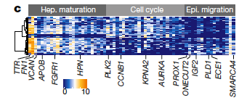
SLCO2A1
APOB
ARSE
LIFR
FMO5
FGFR1
RHOBTB3
FLRT3
FADS1 |  | highlighted in figure
ERBB4
THOC2
TTC3
MLLT4
HPN
ATP11C
ATXN2
TBL1X
TTN
IGDCC4
COL4A5
MEF2C
FOXP1
PLK2 | cell cycle
PAK1IP1
USP8
TRAK1
CCNB1
TRIAP1
PUS3
TLE4
ZBTB11
NUPL2
TFRC
MTF1
KPNA2
MRFAP1
C6orf211
ZNF830
BLOC1S6
AURKA
ZBTB10
C12orf45
CRNKL1
NF1
ZC3H4
HMGB3
FASTKD2
PROX1 | eptithelial migration
ONECUT2
KIF13A
IGF2
ERICH1
FLRT2
MECOM
PLD1
ECE1
FAM153B
VANGL1
CHPT1
ADAM28
FGD6
SRRM2
SMARCA4

New G2MG1S
Single-cell RNA-seq supports a developmental hierarchy in human oligodendroglioma. |  |  | Tirosh et al. Nature, 2016 | PMID:27806376

G1/S | G2/M | From suppl table1
MCM5 | HMGB2
PCNA | CDK1 | Cell cycle analysis
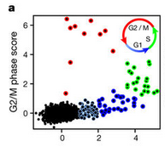
TYMS | NUSAP1
FEN1 | UBE2C | Analysis of single-cell RNA-seq in human (293T) and mouse (3T3) cell lines20, and in mouse haematopoietic stem cells21 revealed in each case two prominent cell cycle expression programs that overlap considerably with genes that are known to function in replication and mitosis, respectively, and that have also been found to be expressed at G1/S phases and G2/M phases, respectively, in bulk samples of synchronized HeLa cells33. We thus defined a core set of 43 G1/S and 55 G2/M genes that included those genes that were detected in the corresponding expression clusters in all four datasets from the three studies described above (Supplementary Table1). As expected, the genes in each of those expression programs were highly co-regulated in a small fraction of the oligodendroglioma cells, such that some cells expressed only the G1/S or the G2/M programs and other cells expressed both programs (Extended Data Fig. 6a). Plotting the average expression of these programs revealed an approximate circle (Fig. 3a), which we hypothesize describes the progression along the cell cycle. Putative cycling cells were identified by at least a twofold upregulation and a t-test P value < 0.01 for either the G1/S or the G2/M gene set compared to the average of all cells. |  |  | Although we cannot confidently define the regions that correspond to each phase of the cell cycle in an automatic way, we manually defined four regions in the apparent circle and assigned them to approximate cell cycle phases.
MCM2 | BIRC5
MCM4 | TPX2
RRM1 | TOP2A
UNG | NDC80
GINS2 | CKS2
MCM6 | NUF2
CDCA7 | CKS1B
DTL | MKI67
PRIM1 | TMPO
UHRF1 | CENPF
MLF1IP | TACC3
HELLS | FAM64A
RFC2 | SMC4
RPA2 | CCNB2
NASP | CKAP2L
RAD51AP1 | CKAP2
GMNN | AURKB
WDR76 | BUB1
SLBP | KIF11
CCNE2 | ANP32E
UBR7 | TUBB4B
POLD3 | GTSE1
MSH2 | KIF20B
ATAD2 | HJURP
RAD51 | HJURP
RRM2 | CDCA3
CDC45 | HN1
CDC6 | CDC20
EXO1 | TTK | 20. Macosko, E. Z. et al. Highly parallel genome-wide expression profiling of
TIPIN | CDC25C | individual cells using nanoliter droplets. Cell 161, 1202–1214 (2015).
DSCC1 | KIF2C | 21. Kowalczyk, M. S. et al. Single-cell RNA-seq reveals changes in cell cycle and
BLM | RANGAP1 | differentiation programs upon aging of hematopoietic stem cells. Genome Res.
CASP8AP2 | NCAPD2 | 25, 1860–1872 (2015)
USP1 | DLGAP5 | 33. Whitfield, M. L. et al. Identification of genes periodically expressed in the |  | Tallulah previous analysis
CLSPN | CDCA2 | human cell cycle and their expression in tumors. Mol. Biol. Cell 13, 1977–2000
POLA1 | CDCA8 | (2002).
CHAF1B | ECT2
BRIP1 | KIF23
E2F8 | HMMR
 | AURKA
 | PSRC1
 | ANLN
 | LBR
 | CKAP5
 | CENPE
 | CTCF
 | NEK2
 | G2E3
 | GAS2L3
 | CBX5
 | CENPA

Quiecence
 | DownReg | UpReg | From: | Molecular regulation of stem cell quiescence | 0 in common with PATEL reference
Cell cycle progression and checkpoint control | ANLN | CCND3 |  | Tom H. Cheung1–3 and Thomas A. Rando1,2,4
 | BIRC5 | PDK1 |  | Nature Reviews Molecular Cell Biology 14, 329–340 (2013)
 | CCNE2 |  |  | doi:10.1038/nrm3591
 | CCNA2
 | CCNB1
 | SGOL1 |  |  | Table 1 | Quiescent stem cell gene signature*
DNA replication and chromosome segregation | MCM4 |  |  | Function Downregulated genes‡ Upregulated genes‡
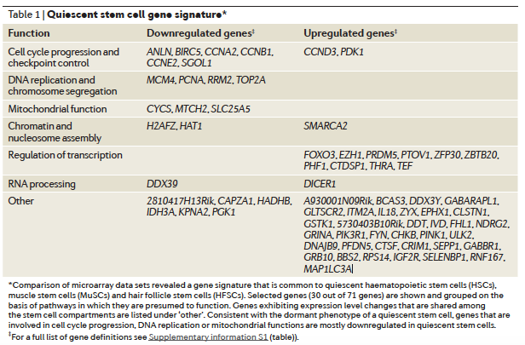
 | PCNA
 | RRM2
 | TOP2A
Mitochondrial function | CYCS
 | MTCH2
 | SLC25A5
Chromatin and nucleosome assembly | H2AFZ | SMARCA2
 | HAT1
Regulation of transcription |  | FOXO3
 |  | EZH1
 |  | PRDM5
 |  | PTOV1
 |  | ZFP30
 |  | ZBTB20
 |  | PHF1
 |  | CTDSP1
 |  | THRA
 |  | TEF
RNA processing | DDX39 | DICER1
Other | 2810417H13Rik | A930001N09Rik
 | CAPZA1 | BCAS3
 | HADHB | DDX3Y
 | IDH3A | GABARAPL1
 | KPNA2 | GLTSCR2
 | PGK1 | ITM2A
 |  | IL18
 |  | ZYX
 |  | EPHX1
 |  | CLSTN1
 |  | GSTK1
 |  | 5730403B10Rik
 |  | DDT
 |  | IVD
 |  | FHL1
 |  | NDRG2
 |  | GRINA
 |  | PIK3R1
 |  | FYN
 |  | CHKB
 |  | PINK
 |  | ULK2
 |  | DNAJB9
 |  | PFDN5
 |  | CTSF
 |  | CRIM1
 |  | SEPP1
 |  | GABBR1
 |  | GRB10
 |  | BBS2
 |  | RPS14
 |  | IGF2R
 |  | SELENBP1
 |  | RNF167
 |  | MAP1LC3A

